Indices

 | Iraq Stock Exchange
 | Bulletin No (7)
 | ISX Trading Indices of Tuesday 13/1/2026

 | Traded Volume and OTC |  | 147,364,788 |  | Traded Value and OTC |  | 454,434,110 |  | Traders | 556

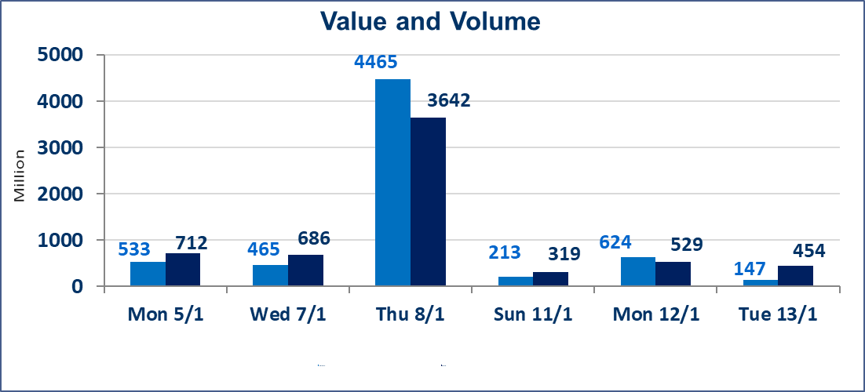
 | ISX Index 60 |  |  | 978.01 | ISX Index 15 |  |  | 1208.48
 | Previous ISX Index60 |  |  | 982.02 | Previous ISX Index15 |  |  | 1209.98
 | Change % |  |  | -0.41 | Change % |  |  | -0.12
 | Change |  |  | -4.01 | Change |  |  | -1.50

 | Listed Companies | 104 | OTC | 14 | Non Traded listed | 40 | OTC | 13
 | Traded Listed Companies | 48 | OTC | 1 | Higher Companies |  |  | 12
 | GAM Companies |  |  | 6 | Lower Companies |  |  | 10
 | Suspended Companies |  |  | 10
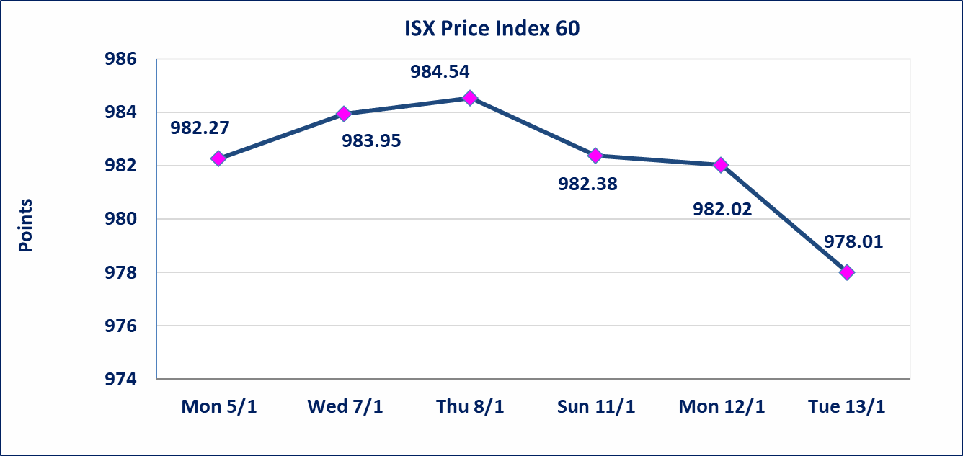
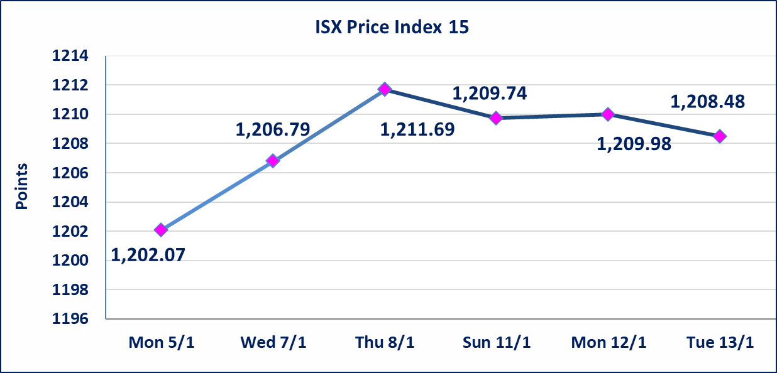

Al-Alwiya P.O . 3607 Mobile: 07711211522 - 07270094594 - 07834000034 E-mail: info-isx@isx-iq.net Web site:www.isx-iq.net

Top 5
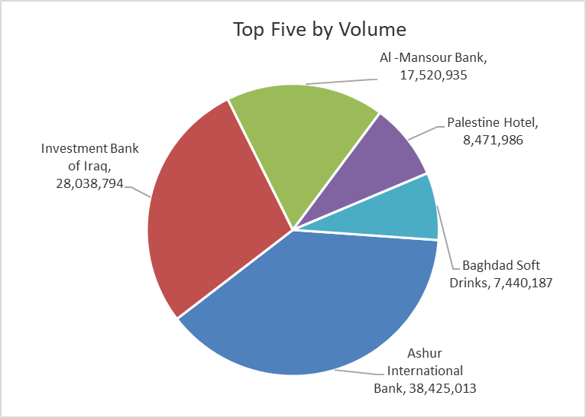
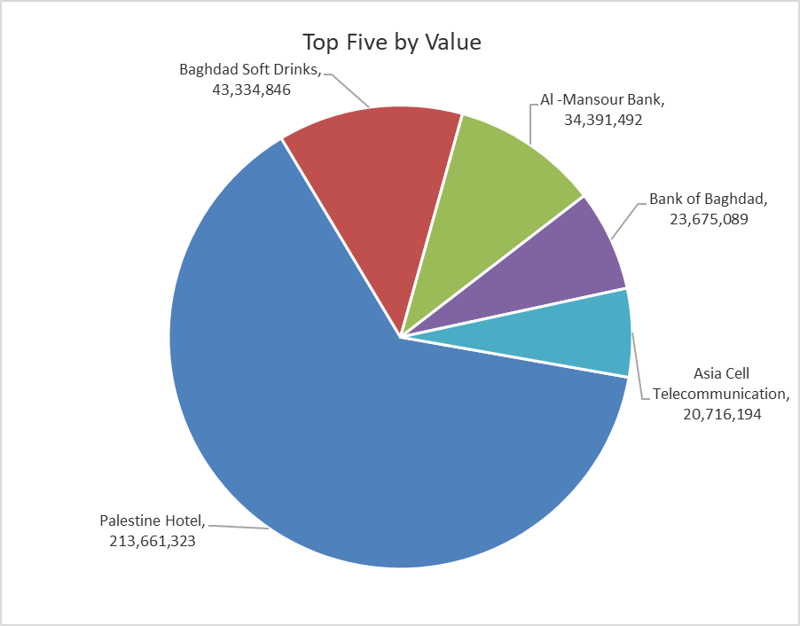

ISX top ganing and losing companies
Tuesday 13/1/2026
 | Gainers |  |  |  | Losers
 | Company Name | Closing Price | Change (%) | Traded Volume | Company Name | Closing Price | Change (%) | Traded Volume
 | Al-Hamraa for Insurance | 0.910 | 19.74 | 84,835 | National Islamic Bank | 0.370 | -9.76 | 500,000
 | Iraqi Carton Manufactories | 1.950 | 14.71 | 913,762 | Palestine Hotel | 25.140 | -4.99 | 8,471,986
 | Iraqi Date Processing and Marketing | 2.850 | 5.56 | 508,719 | National Chemical &Plastic | 1.870 | -3.61 | 600,000
 | Modern Construction Materials | 1.100 | 4.76 | 260,000 | Bank of Baghdad | 3.350 | -1.76 | 7,026,410
 | Al-Ameen for Insurance | 0.990 | 4.21 | 20,924 | Ready Made Clothes | 2.300 | -1.71 | 650,000
 | The most active companies in term of traded volume and value

 | Traded Volume |  |  |  | Traded Value
 | Company Name | Closing Price | Change (%) | Traded Volume | Company Name | Closing Price | Change (%) | Traded Value
 | Ashur International Bank | 0.300 | 0.00 | 38,425,013 | Palestine Hotel | 25.140 | -4.99 | 213,661,323
 | Investment Bank of Iraq | 0.230 | 0.00 | 28,038,794 | Baghdad Soft Drinks | 5.840 | -0.17 | 43,334,846
 | Al -Mansour Bank | 1.960 | -0.51 | 17,520,935 | Al -Mansour Bank | 1.960 | -0.51 | 34,391,492
 | Palestine Hotel | 25.140 | -4.99 | 8,471,986 | Bank of Baghdad | 3.350 | -1.76 | 23,675,089
 | Baghdad Soft Drinks | 5.840 | -0.17 | 7,440,187 | Asia Cell Telecommunication | 13.850 | 0.36 | 20,716,194

Non Iraqis

Iraq Stock Exchange
Non Iraqis' Bulletin Tuesday Jan 13 2026
Regular Market

Non Iraqi Trading of Regular Market (Sell)
Company Names | Code | No.of trades | Traded Shares | Trading Volume
Banks Sector
Al-Mansour Bank | BMNS | 1 | 1,000,000 | 1,970,000
Total Bank sector |  | 1 | 1,000,000 | 1,970,000
Grand Total |  | 1 | 1,000,000 | 1,970,000

